Sheet1
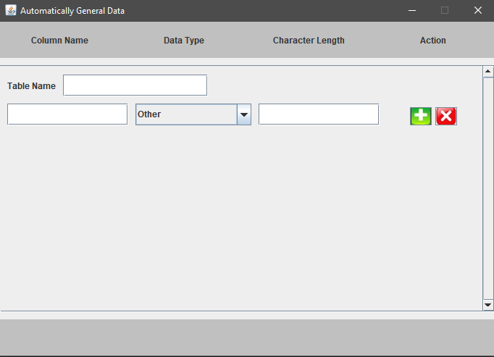

Create area for user input table name.

